cameras
Blackmagic URSA Broadcast
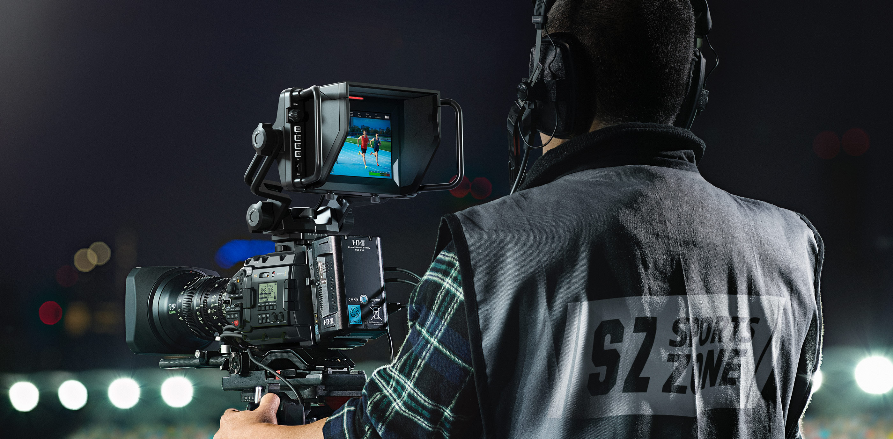

Product | qty | unit price | total

Blackmagic URSA Broadcast | 1 | 2995 | 2995

Blackmagic URSA Studio Viewfinder | 1 | 1795 | 1795

Blackmagic URSA Sholder kit | 1 | 395 | 395

Canon B4 Lense (used) | 1 | 500 | 500

Blackmagic URSA B4 Mount | 1 | 295 | 295

TOTAL |  |  | 5980

Notes
We use blackmagic equipment for our livestream, this camera will be good especially to cover compability issues.
Please note all prices are in USD
Source: www.blackmagicdesign.com

all equipment
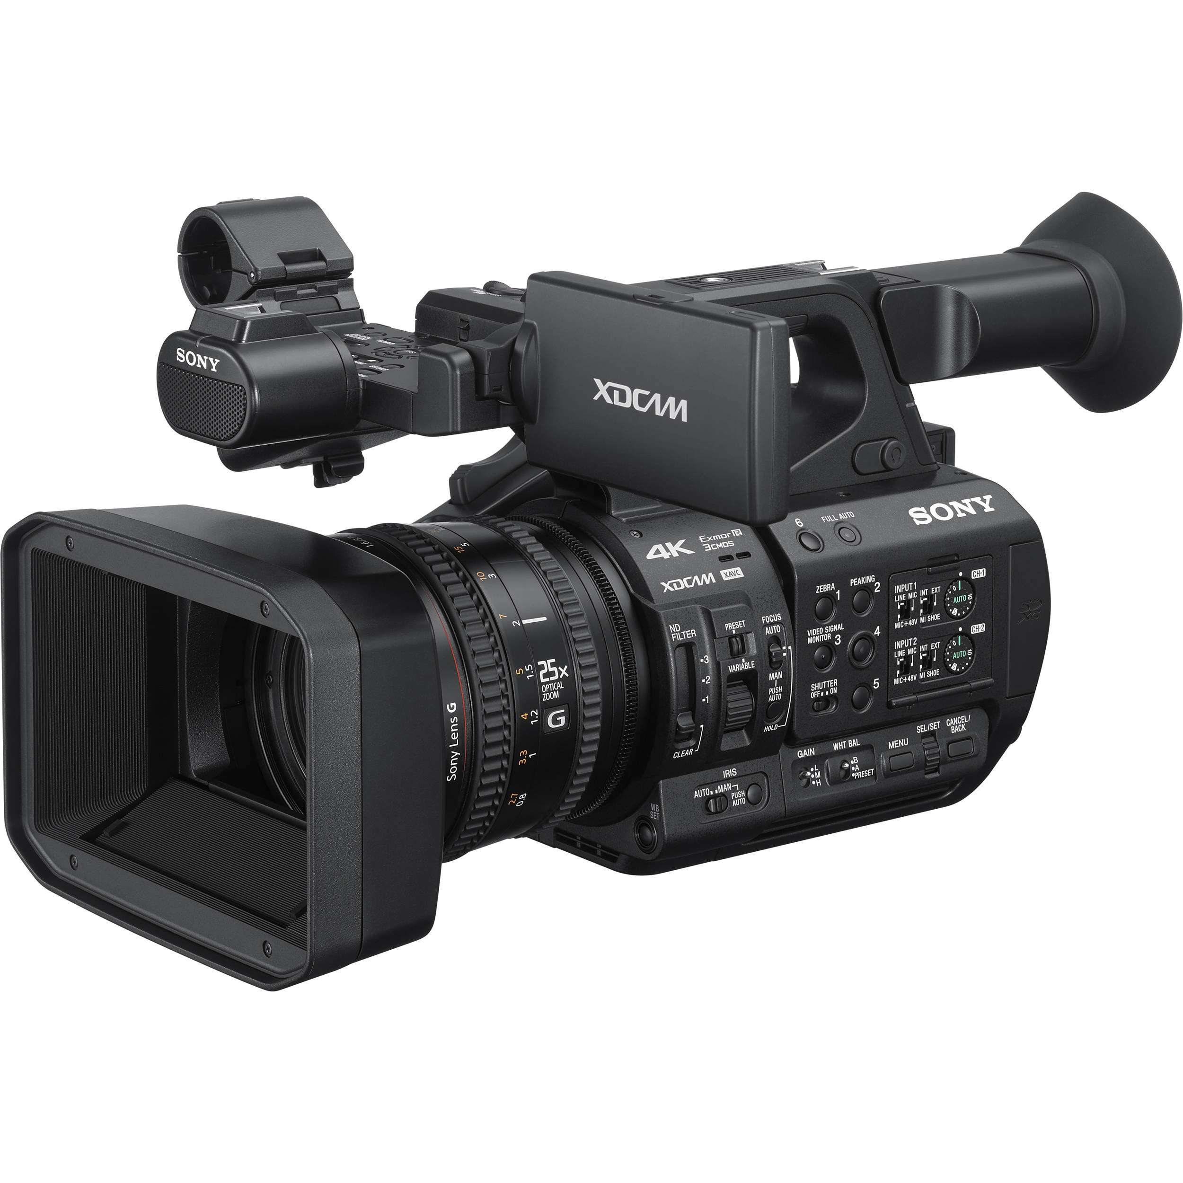

Product | qty | unit price | total

Blackmagic Atem Television Studio Pro | 1 | 2295 | 2295

Sony PXW-Z190 4K 3-CMOS 1/3″ Sensor XDCAM Camcorder | 1 | 4100 | 4100

Tripod System & Fluid Head | 3 | 750 | 2250

 |  |  | 8645

Notes
We already have 2 good cameras if we add an extra one and a livestream mixer we will greatly improve the quality of our stream.
source: http://prosales.co.za/product/sony-pxw-z190-4k-3-cmos-1-3-sensor-xdcam-camcorder/

